Short Term
SHORT TERM

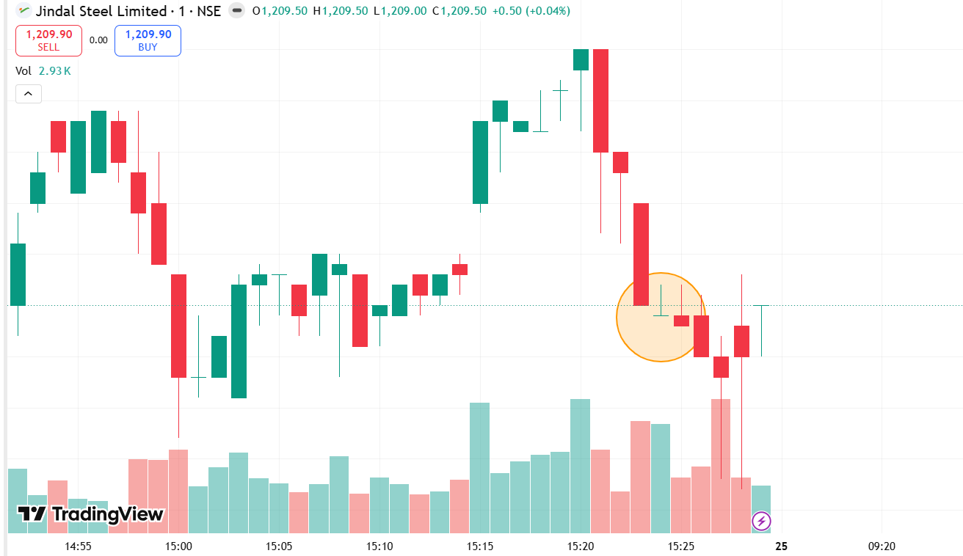
1. JINDAL STAINLESS STEEL |  |  |  | VALUE+GROWTH | PATTERN | CURRENT TREND | RECOMMENDATION
 |  |  | 1 | JINDAL STAINLESS STEEL | DOJI CANDLE | DOWN | SELL
 | DOJI CANDLE |  | 2 | Sarda Energy | Inverted Hammer
 | BEARISH BREAKDOWN |  | 3 | Jai Balaji Inds. | Inverted Hammer | UpTrend
 |  |  | 4 | Prakash Industri
 |  |  | 5 | Scan Steels

2 Sarda Energy

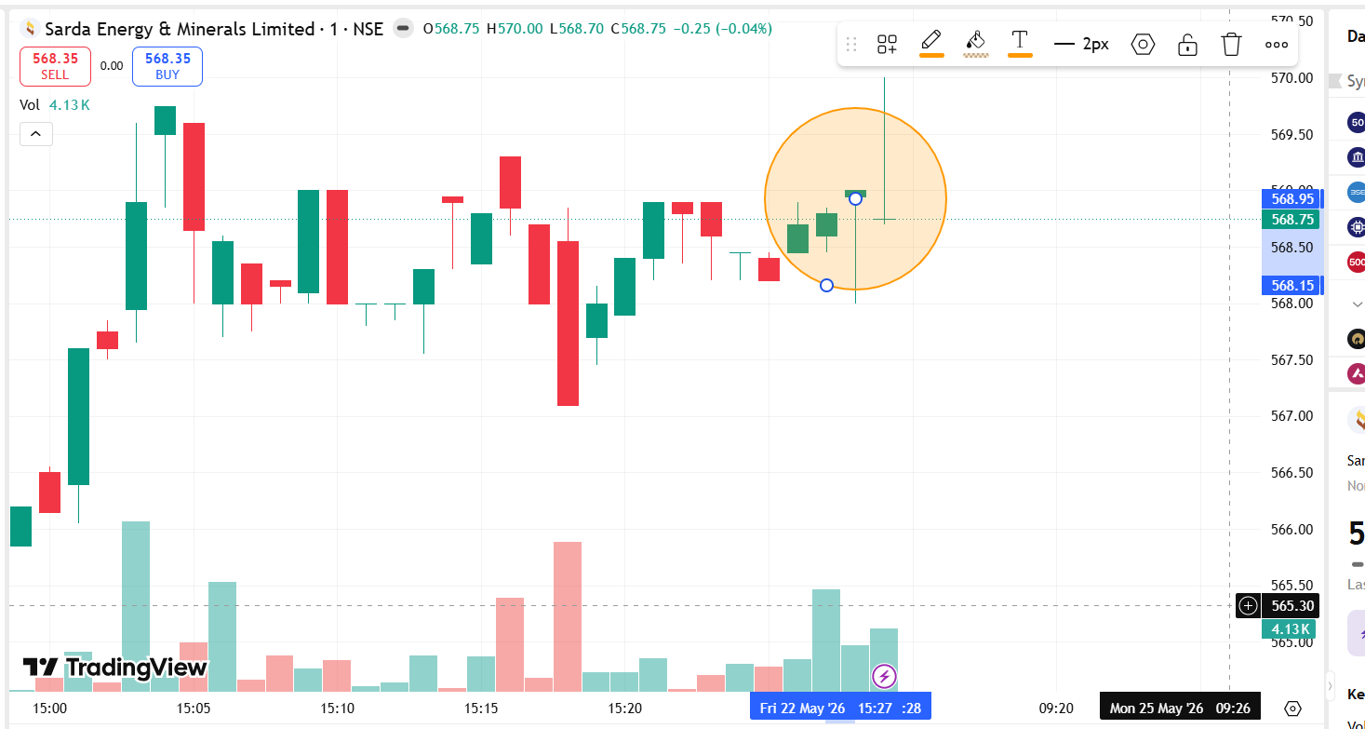
 | INVERTED HAMMER

3
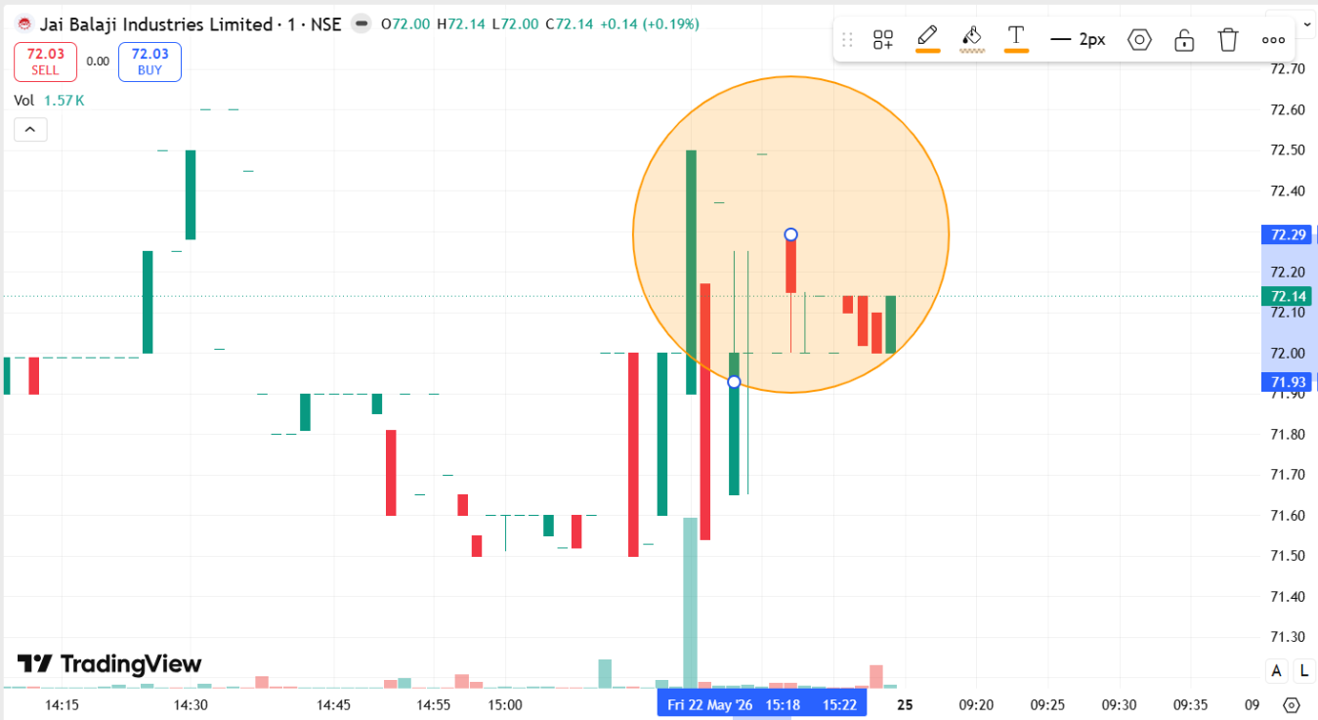

 |  | INVERTED HAMMER

4

Sheet1
